about
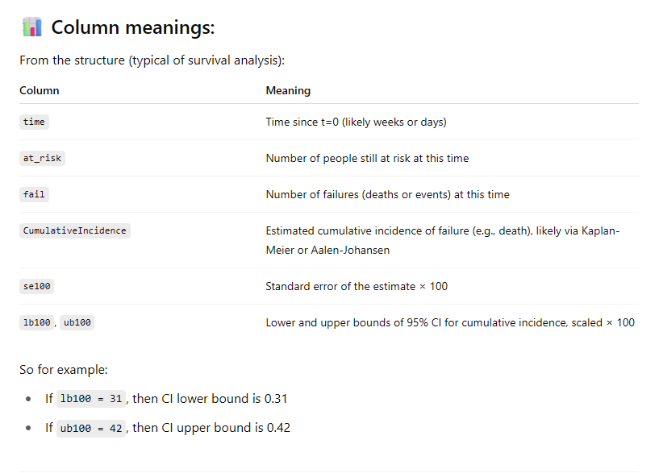
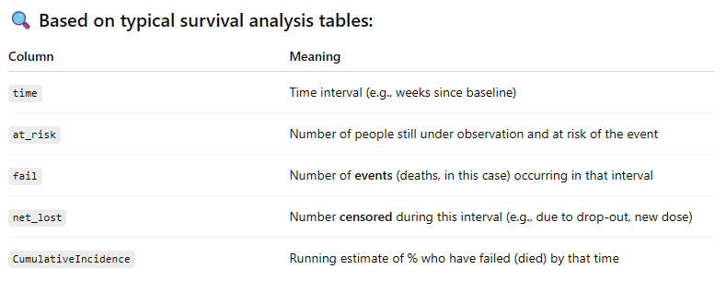
Data from Fig 1 and 2 in
https://elifesciences.org/articles/103690

Downloaded from:
https://cdn.elifesciences.org/articles/103690/elife-103690-fig1-data1-v1.xlsx

this is essentially a survival plot and the cohort size is changing so KCOR does not apply.

